Sheet2
fish farms in year 2022 was 2.03 thousand tons | tons |  |  | Total Revenue | 2,065,214 | Year 2022 | Total value (million)
2.03 thousand tons | 2030 |  |  |  |  | Total value | 6.8
Rondônia | 57% | 1157.1 | 1177172.0921
Amazonas | 16% | 324.8 | 330434.27148
Pará | 8% | 162.4 | 165217.13574

Obtain from extractivism
2021 | 3538.616 | only in Amazonas | 3.6 million | 3,600,000
2022（prediction) | 3121.76

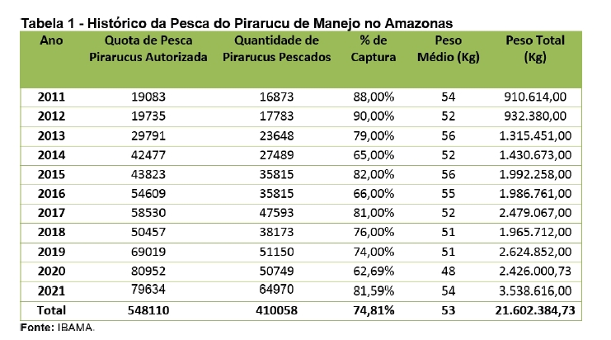
Production in cities:
"= fish farm average + extractivism average" |  |  | 110.92 | US$125,319.66 |  |  |  | History of pirarucu fishing in Amazonas
Other |  |  |  |  |  |  |  | Year | Authorised Pirarucus Fishing Quota | Number of pirarucus caught | Percentage captured | average weight （KG) | Total Weight (KG) | Total Weight (Ton)
"= extractivism average" |  |  | 91.82 | US$105,882.35 |  |  |  | 2011 | 19083 | 16873 | 88.42% | 54 | 910,614.00 | 910.614
 |  |  |  |  |  |  |  | 2012 | 19735 | 17783 | 90.11% | 52 | 932,380.00 | 932.38
 |  |  |  |  |  |  |  | 2013 | 29791 | 23648 | 79.38% | 56 | 1,315,451.00 | 1315.451
 |  |  |  |  |  |  |  | 2014 | 42477 | 27489 | 64.72% | 52 | 1,430,673.00 | 1430.673
 |  |  |  |  |  |  |  | 2015 | 43823 | 35815 | 81.73% | 56 | 1,992,258.00 | 1992.258
 |  |  |  |  |  |  |  | 2016 | 54609 | 35815 | 65.58% | 55 | 1,986,761.00 | 1986.761
 |  |  |  |  |  |  |  | 2017 | 58530 | 47593 | 81.31% | 52 | 2,479,067.00 | 2479.067
 |  |  |  |  |  |  |  | 2018 | 50457 | 38173 | 75.65% | 51 | 1,965,712.00 | 1965.712
 |  |  |  |  |  |  |  | 2019 | 69019 | 51150 | 74.11% | 51 | 2,624,852.00 | 2624.852
 |  |  |  |  |  |  |  | 2020 | 80952 | 50749 | 62.69% | 48 | 2,426,000.73 | 2426.00073
 |  |  |  |  |  |  |  | 2021 | 79634 | 64970 | 81.59% | 54 | 3,538,616.00 | 3538.616

Production of Pirarucu

